Sheet1
ALL MEASURMENTS in [mm]

 |  |  | Touch Probe |  |  | HP |  |  |  | Hall Probe:

 | Gap | Center | Shift |  | Pitch(urad) | Pitch(urad) |  |  |  | Gap | Real shift | (HallProbe) |  | After lubrication
 | 7.4 | 0.0714 | -26.7 | -10 | -7 |  |  |  |  | 7.4 | -32 | -32 | -0.07 | -30
 | 9 | 0.0852 | -12.9 | -5 | -2 |  |  |  |  | 10 | 0 | 0 | -0.04 | 0
 | CMM
7.4 | -26.7 | 7.4 | -32
9 | -12.9 | 10 | 0
10 | 0 | 13 | 9
11 | 1.2 | 14 | 15
11.5 | -1.9 | 17 | 26
12 | -7.3 | 20 | 24
13 | -6.8
14 | 6.3
15 | 15.1
20 | 28.7
25 | 16.8
7.4 | -32
10 | 0
13 | 9
14 | 15
17 | 26
20 | 24
 | 10 | 0.0981 | 0 | -3 | 0 |  |  |  |  | 13 | 9 | 9 | -0.06 | -20
 | 11 | 0.0993 | 1.2 | -3 | 0 |  |  |  |  | 14 | 15 | 15 | -0.057 | -17
 | 11.5 | 0.0962 | -1.9 | 0 | 3 |  |  |  |  | 17 | 26 | 26 | -0.046 | -6
 | 12 | 0.0908 | -7.3 | 2 | 5 |  |  |  |  | 12 | -11 | -11
 | 13 | 0.0913 | -6.8 | 3 | 6 |  |  |  |  | 20 | 24 | 24 | -0.059 | -19
 | 14 | 0.1044 | 6.3 | 4 | 7 |  |  |  |  | 11 | -3 | -3 | -0.042 | -2
 | 15 | 0.1132 | 15.1 | 4 | 7 |  |  |  |  | 22 |  |  | -0.063 | -23
 | 20 | 0.1268 | 28.7 | 4 | 7 |  |  |  |  | 9 | -13 | -13 | -0.035 | 5
 | 25 | 0.1149 | 16.8 | 4 | 7

 |  |  | Average (Touch probe+Hall probe)/2)
 |  |  |  |  |  |  |  |  |  | 1.30E+01
 | Gap |  | Shift |  |  |  |  |  |  | 13
 | 7.4 |  | -29.35
 | 9 |  | -12.95
 | 10 |  | 0
 | 11 |  | -0.9
 | 11.5 |  | -1.9
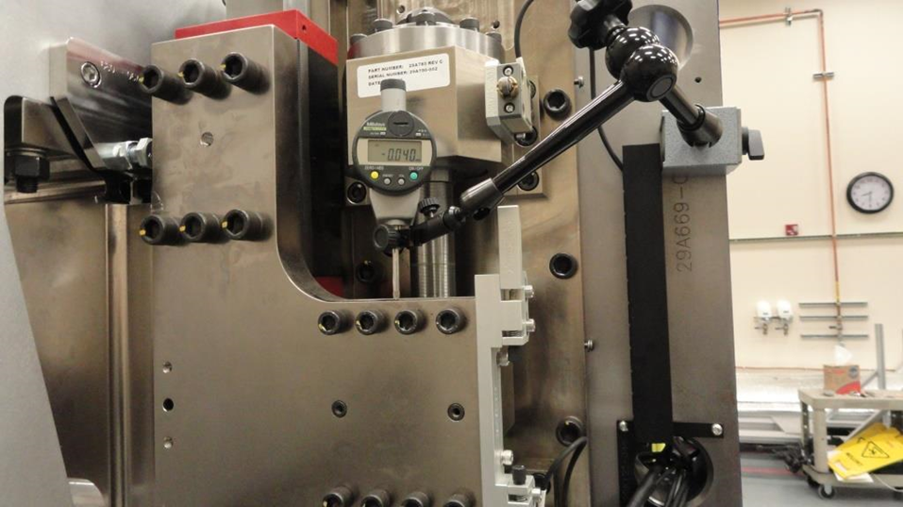
 | 12 |  | -9.15
 | 13 |  | 1.1
 | 14 |  | 10.65
 | 15 |  | 15.1
 | 17 |  | 26
 | 20 |  | 19.55
 | 25 |  | 16.8

 |  | Backlash measurements with dial indicator
 |  |  | US
 |  |  | Readings |  |  |  |  | Differences |  |  |  | vs.Gap
 | Gap | open | close | open | close |  | open | close | close-open | Gap/2 |  | open | close
 | 8 | 0 | 0.051 | 0 | 0.052 |  | 0 | 0.051 | 51 | 0 | 0 | 0 | 51
 | 9 | 0.505 | 0.558 | 0.506 |  |  | 0.505 | 0.558 | 53 | 0.5 | 6 | 5 | 58
 | 9.5 | 0.757 | 0.81 |  |  |  | 0.757 | 0.81 | 53 | 0.75 |  | 7 | 60
 | 10 | 1.007 | 1.06 | 0.98 |  |  | 1.007 | 1.06 | 53 | 1 | -20 | 7 | 60
 | 10.5 | 1.253 | 1.307 |  |  |  | 1.253 | 1.307 | 54 | 1.25 |  | 3 | 57
 | 11 | 1.499 | 1.547 |  |  |  | 1.499 | 1.547 | 48 | 1.5 |  | -1 | 47
Driving nut motion vs Gap (US)
 | Open |  | Close |  | Close-Open |  | corrected
8 | 0 | 8 | 51 | 8 | 51 | 8 | 0
9 | 5 | 9 | 58 | 9 | 53 | 10 | -20
9.5 | 7 | 9.5 | 60 | 9.5 | 53 | 12 | -33
10 | 7 | 10 | 60 | 10 | 53 | 13 | -31
10.5 | 3 | 10.5 | 57 | 10.5 | 54 | 14 | -24
11 | -1 | 11 | 47 | 11 | 48 | 16 | -19
11.5 | -5 | 11.5 | 31 | 11.5 | 36 | 22 | -27
12 | -10 | 12 | 19 | 12 | 29
12.5 | -16 | 12.5 | 11 | 12.5 | 27
13 | -22 | 13 | 3 | 13 | 25
13.5 | -18 | 13.5 | 1 | 13.5 | 19
14 | -16 | 14 | 4 | 14 | 20
14.5 | -15 | 14.5 | 7 | 14.5 | 22
15 | -13 | 15 | 9 | 15 | 22
15.5 | -11 | 15.5 | 10 | 15.5 | 21
16 | -11 | 16 | 11 | 16 | 22
16.5 | -10 | 16.5 | 11 | 16.5 | 21
17 | -8 | 17 | 12 | 17 | 20
22 | -14 | 22 | 3 | 22 | 17
 | 11.5 | 1.745 | 1.781 |  |  |  | 1.745 | 1.781 | 36 | 1.75 |  | -5 | 31
 | 12 | 1.99 | 2.019 | 1.967 |  |  | 1.99 | 2.019 | 29 | 2 | -33 | -10 | 19
 | 12.5 | 2.234 | 2.261 |  |  |  | 2.234 | 2.261 | 27 | 2.25 |  | -16 | 11
 | 13 | 2.478 | 2.503 | 2.469 |  |  | 2.478 | 2.503 | 25 | 2.5 | -31 | -22 | 3
 | 13.5 | 2.732 | 2.751 |  |  |  | 2.732 | 2.751 | 19 | 2.75 |  | -18 | 1
 | 14 | 2.984 | 3.004 | 2.976 |  |  | 2.984 | 3.004 | 20 | 3 | -24 | -16 | 4
 | 14.5 | 3.235 | 3.257 |  |  |  | 3.235 | 3.257 | 22 | 3.25 |  | -15 | 7
 | 15 | 3.487 | 3.509 |  |  |  | 3.487 | 3.509 | 22 | 3.5 |  | -13 | 9
 | 15.5 | 3.739 | 3.76 |  |  |  | 3.739 | 3.76 | 21 | 3.75 |  | -11 | 10
 | 16 | 3.989 | 4.011 | 3.981 |  |  | 3.989 | 4.011 | 22 | 4 | -19 | -11 | 11
 | 16.5 | 4.24 | 4.261 |  |  |  | 4.24 | 4.261 | 21 | 4.25 |  | -10 | 11
 | 17 | 4.492 | 4.512 |  |  |  | 4.492 | 4.512 | 20 | 4.5 |  | -8 | 12
 | 22 | 6.986 | 7.003 | 6.973 |  |  | 6.986 | 7.003 | 17 | 7 | -27 | -14 | 3
 | 25

Driving nut motion vs Gap (DS)
 |  |  | DS
 |  |  | Readings |  |  |  |  | Differences |  |  |  | vs.Gap |  | Pitch (DS-US)
 | Gap | open | close | open | close |  | open | close | close-open | Gap/2 |  | open | close | open | close
 | 8 | 0 | 0.027 |  | 0.024 |  | 0 | 0.027 | 27 | 0 |  | 0 | 27 | 0 | 0
 | 9 | 0.487 | 0.534 | 0.493 |  |  | 0.487 | 0.534 | 47 | 0.5 |  | -13 | 34 | -18 | 0
 | 9.5 | 0.739 | 0.787 |  |  |  | 0.739 | 0.787 | 48 | 0.75 |  | -11 | 37 | -18 | 1
 | 10 | 0.987 | 1.035 |  |  |  | 0.987 | 1.035 | 48 | 1 |  | -13 | 35 | -20 | -1
 | 10.5 | 1.235 | 1.281 |  |  |  | 1.235 | 1.281 | 46 | 1.25 |  | -15 | 31 | -18 | -2
 | 11 | 1.481 | 1.526 |  |  |  | 1.481 | 1.526 | 45 | 1.5 |  | -19 | 26 | -18 | 3
 | 11.5 | 1.727 | 1.771 |  |  |  | 1.727 | 1.771 | 44 | 1.75 |  | -23 | 21 | -18 | 14
 | 12 | 1.972 | 2.015 |  |  |  | 1.972 | 2.015 | 43 | 2 |  | -28 | 15 | -18 | 20
 | 12.5 | 2.223 | 2.263 |  |  |  | 2.223 | 2.263 | 40 | 2.25 |  | -27 | 13 | -11 | 26
 | 13 | 2.476 | 2.515 |  |  |  | 2.476 | 2.515 | 39 | 2.5 |  | -24 | 15 | -2 | 36
 | 13.5 | 2.73 | 2.768 |  |  |  | 2.73 | 2.768 | 38 | 2.75 |  | -20 | 18 | -2 | 41
 | 14 | 2.984 | 3.022 |  |  |  | 2.984 | 3.022 | 38 | 3 |  | -16 | 22 | 0 | 42
 | 14.5 | 3.237 | 3.274 |  |  |  | 3.237 | 3.274 | 37 | 3.25 |  | -13 | 24 | 2 | 41
 | 15 | 3.488 | 3.527 |  |  |  | 3.488 | 3.527 | 39 | 3.5 |  | -12 | 27 | 1 | 42
 | 15.5 | 3.74 | 3.779 |  |  |  | 3.74 | 3.779 | 39 | 3.75 |  | -10 | 29 | 1 | 43
 | 16 | 3.993 | 4.03 |  |  |  | 3.993 | 4.03 | 37 | 4 |  | -7 | 30 | 4 | 43
 | 16.5 | 4.244 | 4.279 |  |  |  | 4.244 | 4.279 | 35 | 4.25 |  | -6 | 29 | 4 | 42
 | 17 | 4.494 | 4.53 |  |  |  | 4.494 | 4.53 | 36 | 4.5 |  | -6 | 30 | 2 | 42
 | 22 | 6.994 | 7.02 |  |  |  | 6.994 | 7.02 | 26 | 7 |  | -6 | 20 | 8 | 41
 | 25

