Sheet1
SXU-004 Hysteresis measurements
 | Top motors

 | Touch Probe(mm) |  |  | US |  |  |  |  | DS
Gap(mm) | Pole #40 | Pole #136 | Encdr.(cnts) | Dig.Mcm(mm) | Motor(mm) | M.Raw(cnts) |  | Encdr.(cnts) | Dig.Mcm(mm) | Motor(mm) | M.Raw(cnts)
10.000 | 4.1751 | 4.1840 | 9999.75 | -0.001 | 5.000000 | 6751432498 |  | 10000.25 | 0.000 | 5.00000 | 6750709216
12.000 | 5.1416 | 5.1601 | 12000.15 | 0.940 | 6.000000 | 6744747816 |  | 12000.35 | 0.955 | 6.00000 | 6744024537
14.000 | 6.1590 | 6.1903 | 14000.40 | 1.945 | 7.000010 | 6738063143 |  | 14000.45 | 1.965 | 7.00001 | 6737339861
16.000 | 7.1784 | 7.2100 | 16000.00 | 2.950 | 8.000010 | 6731378469 |  | 16000.00 | 2.971 | 8.00000 | 6730655188
18.000 | 8.1835 | 8.2166 | 18000.00 | 3.945 | 9.000010 | 6724693797 |  | 18000.05 | 3.969 | 9.00000 | 6723970515
20.000 | 9.1828 | 9.2168 | 20000.00 | 4.944 | 10.000000 | 6718009126 |  | 20000.10 | 4.968 | 10.00000 | 6717285843
25.000 | 11.6698 | 11.7077 | 25000.05 | 7.430 | 12.500000 | 6701297444 |  | 25000.15 | 7.457 | 12.50000 | 6700574165
30.000 | 14.1771 | 14.2152 | 30000.10 | 9.931 | 14.999990 | 6684585767 |  | 30000.15 | 9.960 | 15.00000 | 6683862486
25.000 | 11.6702 | 11.7063 | 24999.90 | 7.452 | 12.499990 | 6701297451 |  | 24999.80 | 7.477 | 12.49999 | 6700574168
20.000 | 9.1869 | 9.2225 | 19999.85 | 4.967 | 9.999980 | 6718009137 |  | 19999.80 | 4.991 | 9.99999 | 6717285851
18.000 | 8.1897 | 8.2221 | 17999.80 | 3.972 | 8.999990 | 6724693812 |  | 17999.75 | 3.995 | 8.99999 | 6723970525
16.000 | 7.1839 | 7.2156 | 15999.60 | 2.972 | 8.000000 | 6731378482 |  | 15999.60 | 2.994 | 7.99999 | 6730655198
14.000 | 6.1662 | 6.1962 | 13999.45 | 1.966 | 6.999990 | 6738063153 |  | 13999.65 | 1.986 | 6.99999 | 6737339868
12.000 | 5.1560 | 5.1767 | 11998.85 | 0.968 | 6.000000 | 6744747827 |  | 11999.50 | 0.984 | 5.99999 | 6744024540
10.000 | 4.1820 | 4.1852 | 9998.30 | 0.004 | 4.999990 | 6751432496 |  | 9999.55 | 0.002 | 4.99999 | 6750709213
8.000 | 3.1327 | 3.1359 | 7998.65 | -1.013 | 4.000000 | 6758117170 |  | 7999.15 | -0.899 | 4.00000 | 6757393886
10.000 | 4.1467 | 4.1642 | 100001.00 | -0.040 | 5.000000 | 6751432485 |  | 10000.65 | -0.027 | 5.00000 | 6750709206

0.000000 | 0.000000 | 0.000000 |  | 0.000 |  | 0 |  |  | 0.000 |  | 0 |  | 0.000000
1.000000 | -0.03348 | -0.02390 |  | -0.059 |  | -6684682 |  |  | -0.045 |  | -6684679 |  | 0.009578
2.000000 | -0.01606 | 0.00630 |  | -0.054 |  | -13369355 |  |  | -0.035 |  | -13369355 |  | 0.022360
3.000000 | 0.00330 | 0.02598 |  | -0.049 |  | -20054029 |  |  | -0.029 |  | -20054028 |  | 0.022680
4.000000 | 0.00845 | 0.03256 |  | -0.054 |  | -26738701 |  |  | -0.031 |  | -26738701 |  | 0.024110
5.000000 | 0.00775 | 0.03281 |  | -0.055 |  | -33423372 |  |  | -0.032 |  | -33423373 |  | 0.025060
7.500000 | -0.00525 | 0.02372 |  | -0.069 |  | -50135054 |  |  | -0.043 |  | -50135051 |  | 0.028970
10.000000 | 0.00207 | 0.03123 |  | -0.068 |  | -66846731 |  |  | -0.040 |  | -66846730 |  | 0.029160
7.500000 | -0.00481 | 0.02232 |  | -0.047 |  | -50135047 |  |  | -0.023 |  | -50135048 |  | 0.027130
5.000000 | 0.01183 | 0.03854 |  | -0.032 |  | -33423361 |  |  | -0.009 |  | -33423365 |  | 0.026710
4.000000 | 0.01468 | 0.03808 |  | -0.027 |  | -26738686 |  |  | -0.005 |  | -26738691 |  | 0.023400
3.000000 | 0.00888 | 0.03156 |  | -0.027 |  | -20054016 |  |  | -0.006 |  | -20054018 |  | 0.022680
2.000000 | -0.00885 | 0.01220 |  | -0.033 |  | -13369345 |  |  | -0.014 |  | -13369348 |  | 0.021050
1.000000 | -0.01904 | -0.00726 |  | -0.031 |  | -6684671 |  |  | -0.016 |  | -6684676 |  | 0.011780
0.000000 | 0.00691 | 0.00119 |  | 0.005 |  | -2 |  |  | 0.002 |  | -3 |  | -0.005720
-1.000000 | -0.04232 | -0.04811 |  | -0.012 |  | 6684672 |  |  | 0.101 |  | 6684670 |  | -0.005790
0.000000 | -0.02835 | -0.01983 |  | -0.039 |  | -13 |  |  | -0.027 |  | -10 |  | 0.008520

Touch probe measurements Top pole position change(from nominal)
Micrometer measurements Nut position change(from nominal)

Touch probe measurements Top pole position change(from nominal)
Micrometer measurements Nut position change(from nominal)

Touch probe measurements Top pole position change(from nominal)
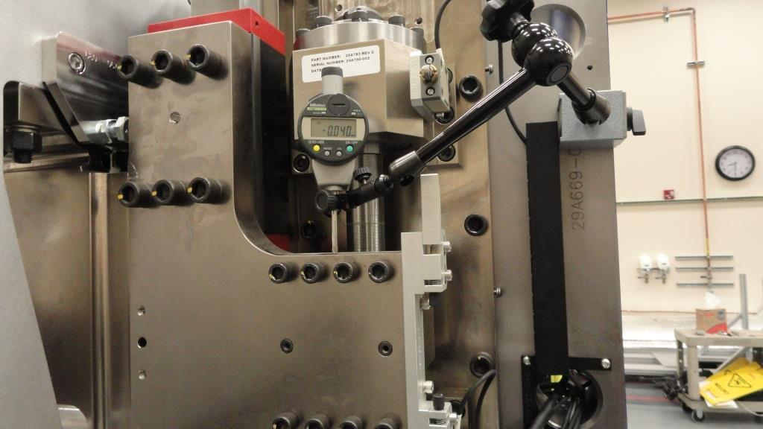

Touch probe measurements Top pole position change(from nominal)

Pitch vs gap

 |  |  |  |  |  |  |  |  | -0.27519
 | Pitch Corrections

 | Gap | Corr(micron) | Down |  |  | Down total | Up
 | 30.000000 | 28.600000 | 0.000000 | 0.000000 |  | 0.028600 | 0.000000 | 0.000000 | 0.028600
 | 25.000000 | 28.600000 | 0.000000 | 0.000000 |  | 0.028600 | 0.000000 | 0.000000 | 0.028600
 | 20.000000 | 25.400000 | 0.000000 | 0.000000 |  | 0.025400 | -1.000000 | -0.001000 | 0.024400
 | 15.000000 | 21.600000 | 0.000000 | 0.000000 |  | 0.021600 | -2.000000 | -0.002000 | 0.019600
 | 14.000000 | 19.600000 | -5.000000 | -0.005000 |  | 0.014600 | -7.000000 | -0.007000 | 0.012600
 | 13.000000 | 16.600000 | 9.000000 | 0.009000 |  | 0.025600 | -8.000000 | -0.008000 | 0.008600
 | 12.000000 | 12.400000 | 25.000000 | 0.025000 |  | 0.037400 | 9.000000 | 0.009000 | 0.021400
 | 11.000000 | 6.600000 | 39.000000 | 0.039000 |  | 0.045600 | 7.000000 | 0.007000 | 0.013600
 | 10.000000 | -0.800000 | 33.000000 | 0.033000 |  | 0.032200 | -1.000000 | -0.001000 | -0.001800
 | 9.000000 | -11.000000 | 23.000000 | 0.023000 |  | 0.012000 | -10.000000 | -0.010000 | -0.021000
 | 8.000000 | -23.000000 | 10.000000 | 0.010000 |  | -0.013000 | -26.000000 | -0.026000 | -0.049000
 | 7.200000 | -35.000000 | -3.000000 | -0.003000 |  | -0.038000 | -3.000000 | -0.003000 | -0.038000

 |  |  |  |  |  |  |  |  |  |  |  | 9 | -0.02146972

