Sheet1
 |  | Horizontal Surface |  |  |  |  |  | Vertical Surface
 | X | Y | Z | DY_W [um] | DY_E [um] | Roll [mrad] | X | Y | Z | DX_W [um] | DX_E [um]
 | 50.0017 | 121.5303 | 29.9812 | 14.0 | 17.6 | 0.08 | 68.4135 | 135.0051 | 29.9821 | 0 | 0.5
 | 50.0028 | 121.5211 | 542.4714 | 4.8 | 4.0 | -0.02 | 68.4197 | 135.0049 | 542.4707 | 6.2 | 6.7
 | 50.0029 | 121.5163 | 1054.9598 | 0.0 | -1.6 | -0.03 | 68.4226 | 135.0041 | 1054.9596 | 9.1 | 9.7
 | 50.0016 | 121.3466 | 1114.9585 | -169.7 | -222.4 | -1.10 | 68.5181 | 135.0042 | 1114.9578 | 104.6 | 104.7
West side | 50.0018 | 121.2816 | 1627.4471 | -234.7 | -289.7 | -1.15 | 68.2348 | 135.0040 | 1627.4472 | -178.7 | -180.9
 | 50.0011 | 121.2269 | 2139.9361 | -289.4 | -346.9 | -1.20 | 67.9462 | 135.0038 | 2139.9356 | -467.3 | -467
 | 50.0009 | 121.3387 | 2199.9349 | -177.6 | -170.9 | 0.14 | 67.9024 | 135.0037 | 2199.9346 | -511.1 | -509.1
 | 50.0028 | 121.4608 | 2712.4219 | -55.5 | -51.3 | 0.09 | 67.4882 | 135.0041 | 2712.4226 | -925.3 | -923
 | 50.0019 | 121.5935 | 3224.9127 | 77.2 | 80.5 | 0.07 | 67.0756 | 135.0039 | 3224.9121 | -1337.9 | -1335.6

Height
X
 | 97.9980 | 121.5339 | 29.9834 |  |  |  | 86.4140 | 135.0043 | 29.9906
 | 97.9968 | 121.5203 | 542.4715 |  |  |  | 86.4202 | 135.0041 | 542.4796
 | 97.9974 | 121.5147 | 1054.9614 |  |  |  | 86.4232 | 135.0047 | 1054.9688
 | 97.9982 | 121.2939 | 1114.9592 |  |  |  | 86.5182 | 135.0043 | 1114.9678
East side | 98.0007 | 121.2266 | 1627.4461 |  |  |  | 86.2326 | 135.0056 | 1627.4470
 | 98.0021 | 121.1694 | 2139.9353 |  |  |  | 85.9465 | 135.0040 | 2139.9343
 | 98.0007 | 121.3454 | 2199.9350 |  |  |  | 85.9044 | 135.0018 | 2199.9333
 | 98.0011 | 121.4650 | 2712.4239 |  |  |  | 85.4905 | 135.0035 | 2712.4234
 | 97.9998 | 121.5968 | 3224.9128 |  |  |  | 85.0779 | 135.0051 | 3224.9123

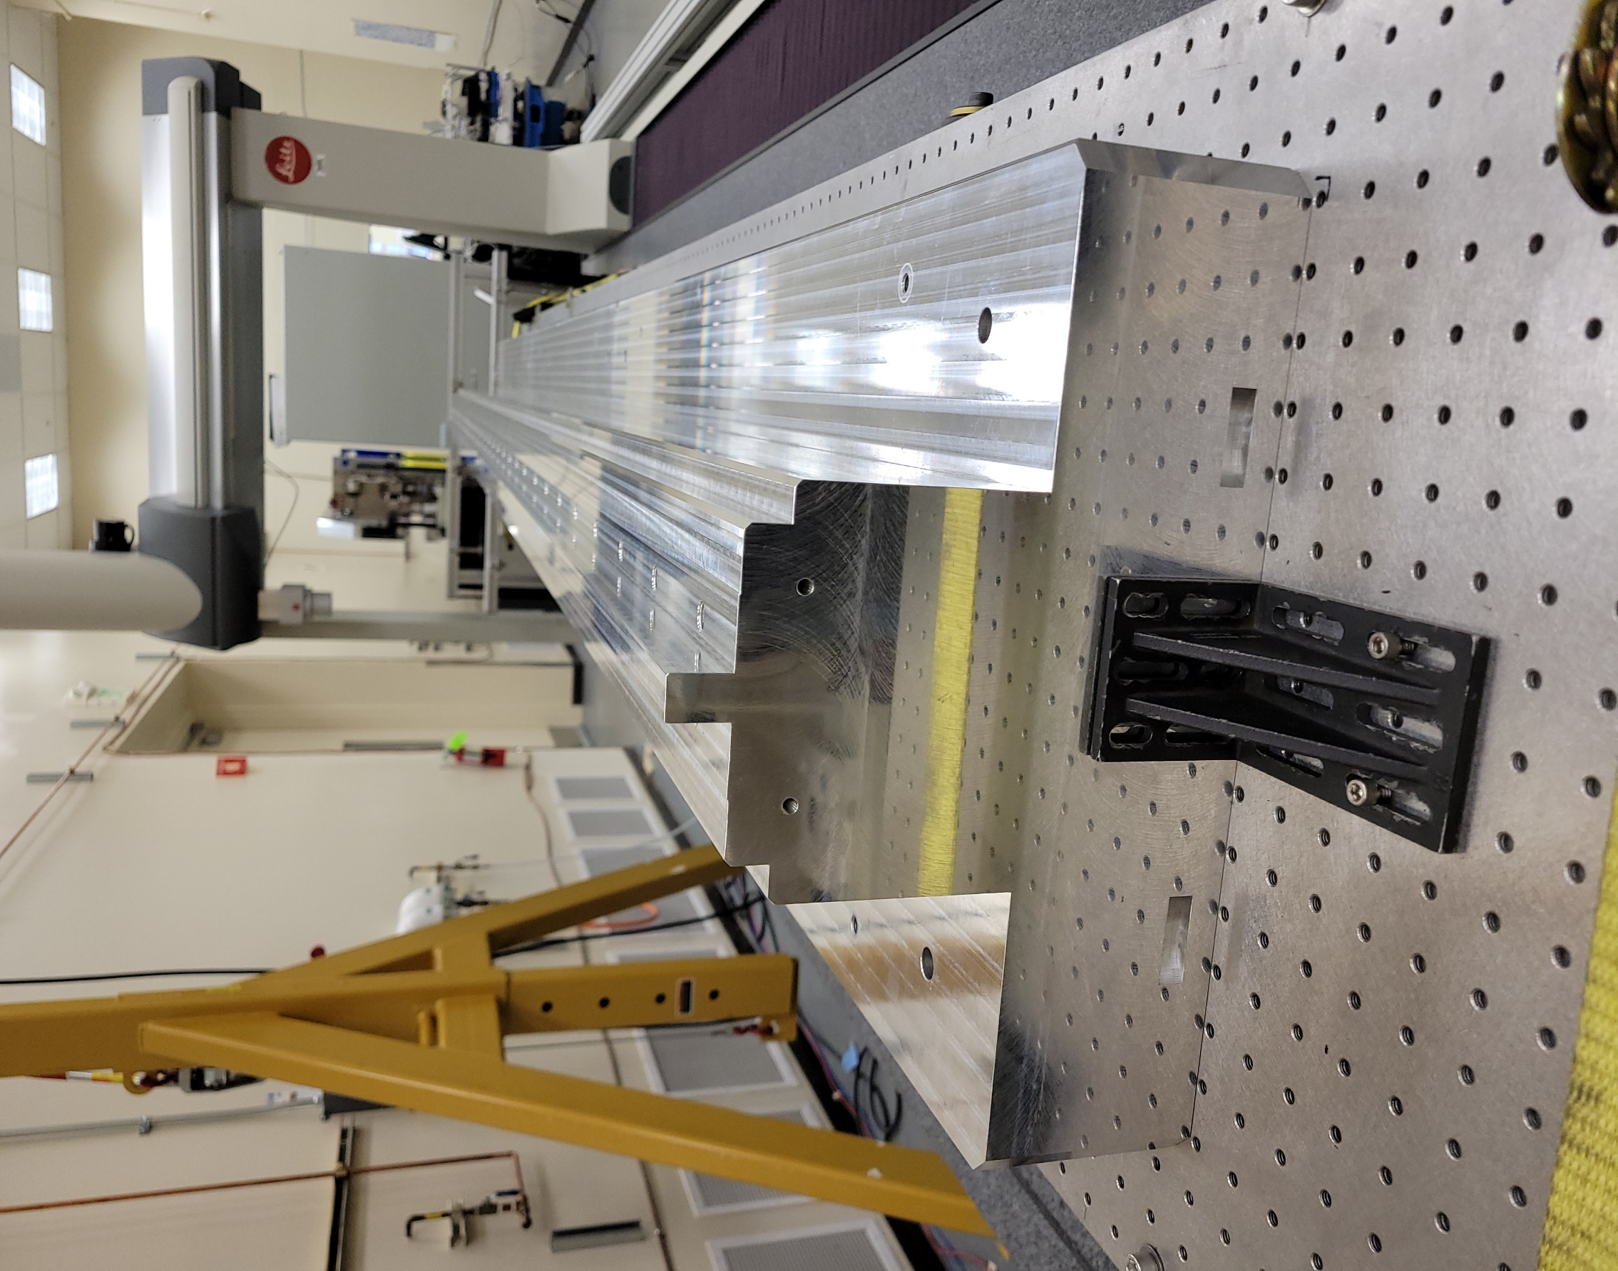

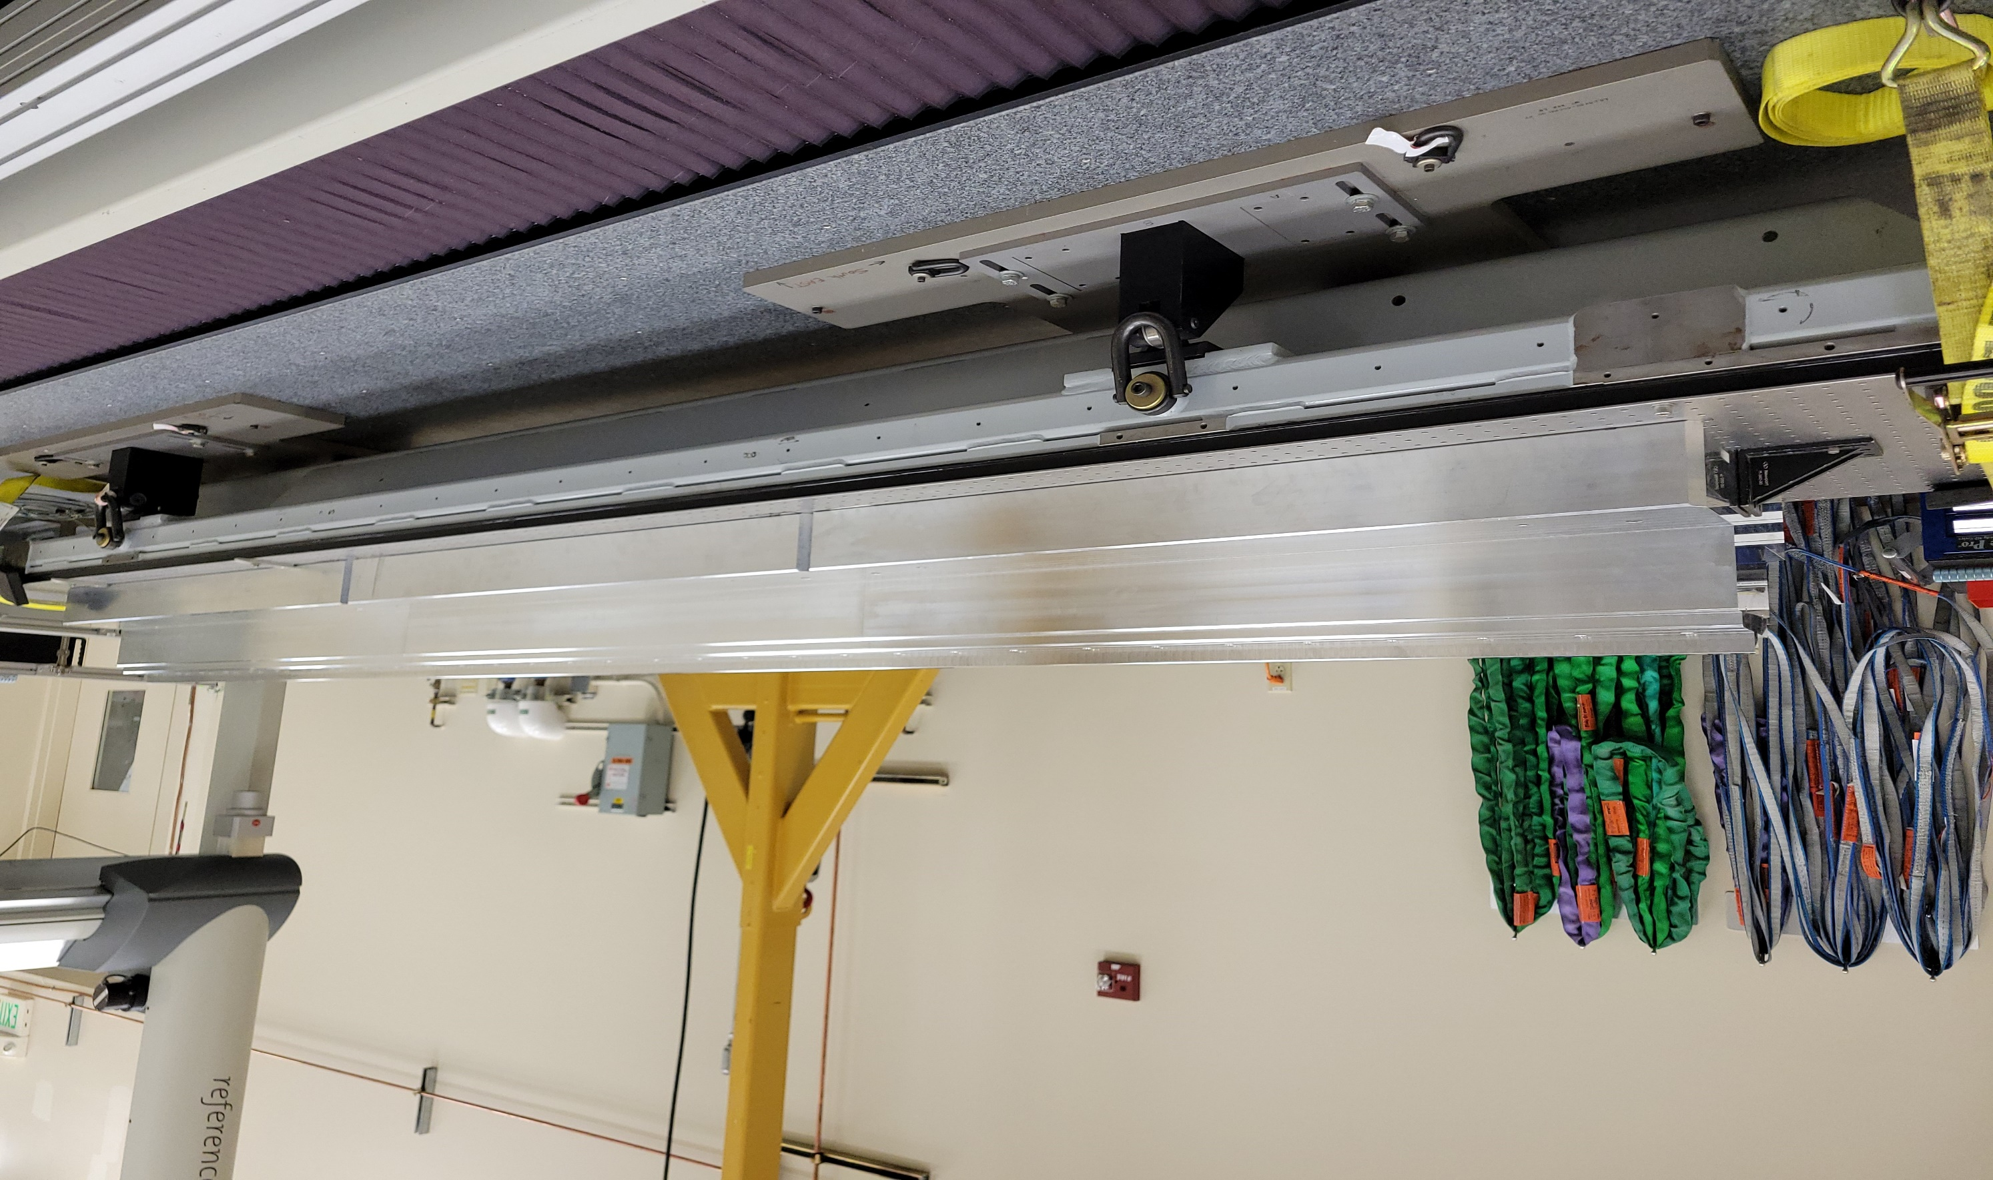

Y

X

