30JUL2021
FACET II |  |  |  |  | 2021-07-30
Sector 20 Chicane Dipole |  |  |  |  | F. Gaudreault
BC20BE |  |  |  |  | H. Imfeld

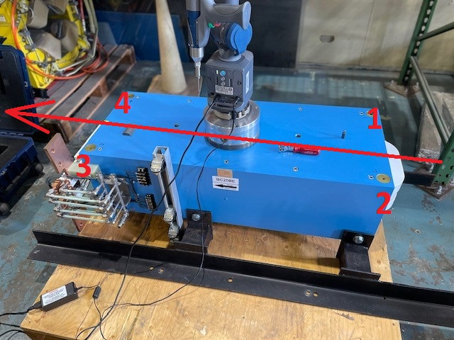

The Primary Axis, Z, is the bisected pole plane. It controls Roll and Pitch.
The Secondary Axis is the median line of the 4 lines measured at the chamber notches on the poles.
 | This controls Yaw.
The lines were projected into their pespective pole planes and averages. This line was then intersected
 | with the median Z planes to create the Origin.

inch
 | Z | X | Y
A | -19.404 | -6.929 | 5.961 | 0.3125" TB
B | -19.404 | 6.931 | 5.958
C | 19.422 | 6.930 | 5.957
D | 19.420 | -6.930 | 5.960
1 | -19.403 | -6.929 | 6.649 | 1" TB
2 | -19.404 | 6.931 | 6.646
3 | 19.421 | 6.929 | 6.645
4 | 19.420 | -6.929 | 6.648

The pole gaps at each end.

Upstream |  | 0.910 | inch | 23.11 | millimetre

Downstream |  | 0.911 | inch | 23.14 | millimetre

